Sheet1
LEGO MINDSTORM EDUCATION KIT PARTS AND PRICE LIST
Ref. LEGOeducation.com

Image | Name | Element ID (Part No.) | Price | Quantity/Kit
 | Bushing, 1/2 - module, yellow | 4239601 | $0.06 | 10
 | Bushing, 1 - module, gray | 4211622 | $0.06 | 10
 | Connector peg with friction, 2-module, black | 4121715 | $0.06 | 60
 | Connector peg, 2-module, gray | 4211807 | $0.06 | 10
 | Connector peg with axle, 2-module, beige | 4666579 | $0.06 | 8
 | Connector peg, 3-module, beige | 4514554 | $0.06 | 6
 | Connector peg with friction/axle, 2-module, blue | 4206482 | $0.06 | 20
 | Connector peg with friction, 3-module, blue | 4514553 | $0.06 | 30
 | Connector peg with bushing, 3-module, red | 4140806 | $0.06 | 22
 | Axle with stud, 3-module, dark beige | 6031821 | $0.20 | 2
 | Axle with stop, 4-module, dark gray | 4560177 | $0.20 | 2
 | Axle with stop, 8-module, dark gray | 4499858 | $0.25 | 2
 | Axle with groove, 2-module, red | 4142865 | $0.07 | 10
 | Axle, 3-module, gray | 4211815 | $0.06 | 14
 | Axle, 4-module, black | 370526 | $0.11 | 4
 | Axle, 5-module, black | 4211639 | $0.13 | 6
 | Axle, 6-module, black | 370626 | $0.14 | 5
 | Axle, 7-module, gray | 4211805 | $0.14 | 5
 | Axle, 8-module, black | 370726 | $0.14 | 2
 | Axle, 9-module, black | 4535768 | $0.14 | 2
 | Axle, 10-module, black | 373726 | $0.15 | 2
 | Axle, 12-module, black | 370826 | $0.16 | 2
 | Pointer, 3-module, white | 4173941 | $0.09 | 4
 | T-Beam, 3x3-module, black | 4552347 | $0.20 | 4
 | Beam with crosshole, 2-module, black | 6006140 | $0.09 | 4
 | Beam, 3-module, black | 4142822 | $0.09 | 2
 | Beam, 3-module, green | 6007973 | $0.09 | 4
 | Beam, 3-module, red | 4153718 | $0.09 | 4
 | Beam, 3-module, yellow | 4153707 | $0.09 | 4
 | Beam, 3-module, blue | 4509376 | $0.09 | 4
 | Angular beam, 2x4-module, red | 4141270 | $0.21 | 6
 | Angular beam, 2x5-module, gray | 4211713 | $0.21 | 2
 | Angular beam, 2x5-module, white | 4585040 | $0.21 | 4
 | Beam, 5-module, gray | 4211651 | $0.15 | 4
 | Beam, 7-module, gray | 4495930 | $0.21 | 4
 | Beam, 9-module, gray | 4211866 | $0.32 | 6
 | Beam, 11-module, gray | 4611705 | $0.27 | 4
 | Beam, 13-module, gray | 4522934 | $0.32 | 6
 | Beam, 15-module, white | 4542578 | $0.34 | 6
 | Angular beam, 4x4-module, white | 4509912 | $0.25 | 6
 | Angular beam, 3x7-module, gray | 4211624 | $0.25 | 4
 | Angular beam, 4x6-module, black | 4112282 | $0.34 | 4
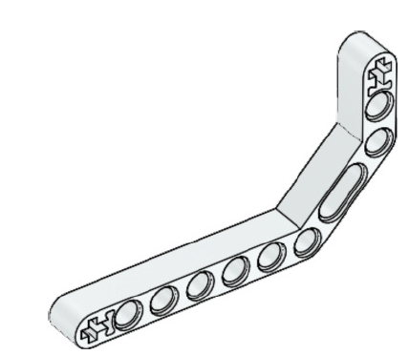 | Double angular beam, 3x7-module, white | 4495412 | $0.50 | 4
 | Frame, 5x7-module, gray | 4539880 | $0.62 | 3
 | Frame, 5x11-module, gray | 4540797 | $0.90 | 1
 | Double connector peg, 3-module, gray | 4560175 | $0.10 | 4
 | Double connector peg, 3x3-module, gray | 4225033 | $0.15 | 6
 | Angular connector peg, 3x3, gray | 4296059 | $0.15 | 4
 | Cross block, 2-module, gray | 4211775 | $0.08 | 8
 | Cross block, 3-module, dark gray | 4210857 | $0.08 | 8
 | Cross block, 3x2-module, gray | 4538007 | $0.08 | 6
 | Double cross block, 3-module, black | 4121667 | $0.08 | 8
 | Cross block fork, 2x2-module, black | 4162857 | $0.08 | 4
 | Cross block, 2x2-module, black | 4140430 | $0.08 | 4
 | Cross beam, 2x1-module, red | 6008527 | $0.10 | 2
 | Connector peg with handle, 3-module, black | 4563044 | $0.10 | 2
 | 1/2-beam, 4-module, black | 4142236 | $0.09 | 2
 | 1/2 triangle beam, 5x3-module, gray | 6009019 | $0.13 | 4
 | 3-spoke angular block, 3x120 deg, gray | 4502595 | $0.21 | 2
 | Tube, 2-module, gray | 4526985 | $0.06 | 4
 | Bushing/axle extender | 4513174 | $0.06 | 6
 | Angular block 1, 0 deg, black | 4107085 | $0.08 | 4
 | Angular block 2, 180 deg, black | 4107783 | $0.08 | 4
 | Angular block, 6 (90 deg), black | 4107767 | $0.08 | 2
 | Rubber beam with crossholes, 2-module, black | 4198367 | $0.10 | 4
 | Gear, 8-tooth, dark gray | 4514559 | $0.15 | 4
 | Bevel gear, 12-tooth, beige | 4565452 | $0.41 | 2
 | Gear, 16-tooth, gray | 4640536 | $0.32 | 4
 | Gear, 24-tooth, dark gray | 4514558 | $0.35 | 4
 | Gear, 40-tooth, gray | 4285634 | $0.31 | 2
 | Double bevel gear, 12-tooth, black | 4177431 | $0.60 | 2
 | Double bevel gear, 20-tooth, black | 4177430 | $0.50 | 2
 | Double bevel gear, 36-tooth, black | 4255563 | $0.32 | 2
 | Worm gear, gray | 4211510 | $0.18 | 2
 | Gear, 4-tooth, black | 4248204 | $0.25 | 4
 | Turntable bottom, 28-tooth, gray | 4652235 | $0.36 | 2
 | Turntable bottom, 28-tooth, black | 4652236 | $0.45 | 2
 | Soprocket, 40.7x15 mm, black | 4582792 | $0.21 | 4
 | Hub, 43.2x26 mm, gray | 4634091 | $0.28 | 2
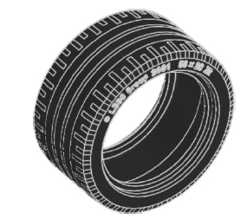 | Low profile tire, 56x28 mm, black | 6035364 | $0.34 | 2
 | Tire, 30.4x4 mm, black | 6028041 | $0.07 | 4
 | Hub, 24x4 mm, dark gray | 4587275 | $0.10 | 4
 | Steel Ball, silver metallic | 6023956 | $1.00 | 1
 | Ball bearing, dark gray | 4610380 | $0.85 | 1
 | Track, 5x1, 5-module, black | 6014648 | $0.06 | 54
 | Left curved panel, 3x5-module, black | 4566251 | $0.06 | 1
 | Right curved panel, 3x5-module, black | 4566249 | $0.06 | 1
 | Right curved panel, 5x11-module, black | 4543490 | $0.06 | 1
 | Left curved panel, 5x11-module, black | 4541326 | $0.06 | 1
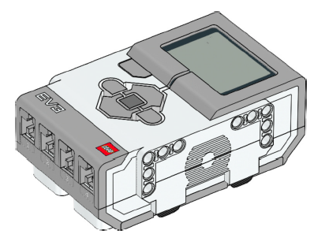 | EV3 Brick | 6009996 | $197.99 | 1
 | Rechargeable Battery | 6012820 | $88.99 | 1
 | Large Motor | 6009430 | $26.99 | 2
 | Medium Motor | 6008577 | $21.99 | 1
 | Color Sensor | 6008919 | $41.99 | 1
 | Touch Sensor | 6008472 | $21.99 | 2
 | Ultrasonic Sensor | 6008924 | $31.99 | 1
 | Gyro Sensor | 6008916 | $31.99 | 1
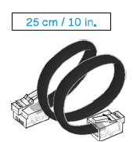 | Cable, 25 cm / 10 in. | 6024581 | $2.83 | 4
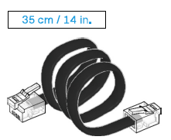 | Cable, 35 cm / 14 in. | 6024583 | $2.83 | 2
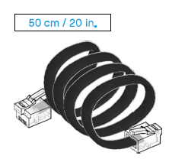 | Cable, 50 cm / 20 in. | 6024585 | $2.83 | 1
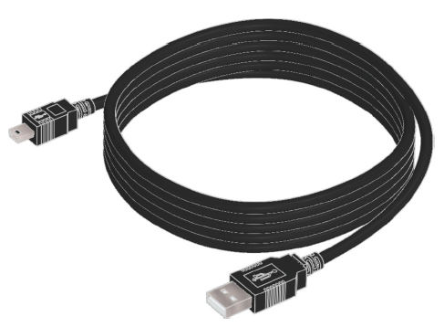 | USB Cable | 6036901 | $6.99 | 1

